P&L 2026 - 2029
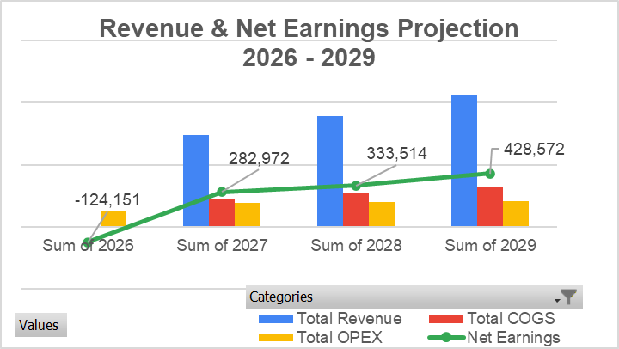
VIEC VUI COMPANY
P&L Forecast
(2026 - Dec 2029)
 |  |  | Currency | USD
 |  |  | Rate: USD/VND | 26,500
 |  |  | Rate: AUD/VND | 19,000

Categories | 2026 | 2027 | 2028 | 2029
General Information
Number of students | 0 | 72 | 86 | 104
Estimated annual student growth rate | 0 | 20% | 20% | 20%
The placement commission earned per student is 5,000 AUD | 5,000 | 5,000 | 5,000 | 5,000
CEO | 1 | 1 | 1 | 1
Marketing & Student Sourcing | 1 | 1 | 1 | 1
Admin | 1 | 1 | 1 | 1
Support Staff | 0 | 0 | 1 | 1
2026: No salary increase or bonus, 2027: +1 month bonus; 2028 onwards : +1 month bonus +10% base salary increasent | 0% | 0% | 10% | 10%
Each student shall pay 2,500 AUD to the partner | 2,500 | 2,500 | 2,500 | 2,500

Revenue
Nurse Training Fees | $0 | $288,000 | $345,600 | $414,720
Placement Commissions | $0 | $258,113 | $309,736 | $371,683
Service package fee (excluding visa fee) | $0 | $144,000 | $172,800 | $207,360
English fee + ielts 5.5_PTE 42 (including test fee) | $0 | $50,400 | $60,480 | $72,576
Total Revenue | $0 | $740,513 | $888,616 | $1,066,339

Direct Costs (COGS)
Value Added Tax of Placement Commissions 10% | $0 | $25,811 | $30,974 | $37,168
Australian RTO Licensing/Accreditation | $0 | $158,943 | $190,732 | $228,878
Lead Trainer Assessment (AU Qualified) | $0 | $0 | $0 | $0
English course IELTS 5.5/PTE 42 package (including test fee) shall be paid to 8A | $0 | $36,000 | $43,200 | $51,840
Local Vietnamese Clinical Support Staff | $0 | $0 | $0 | $0
Training Materials & Simulation Lab Ops | $0 | $0 | $0 | $0
Document Translation & Notarization Fee | $0 | $5,760 | $6,912 | $8,294
Nursing Home Placements | $0 | $0 | $0 | $0 | waiting information from Ms. Hong
Total COGS | $0 | $226,515 | $271,818 | $326,181
Gross Profit | $0 | $513,998 | $616,798 | $740,158

Operating Expenses (OPEX)
CEO | $80,000 | $120,000 | $120,000 | $120,000
Marketing & Student Sourcing (VN)_Phong | $10,566 | $17,170 | $18,887 | $20,775
AU Business Development (Ben Van Leirop?) | $0 | $0 | $0 | $0
Rent & Utilities (HCMC/Hanoi Facility) | $8,000 | $12,000 | $12,000 | $12,000
Legal & Migration Compliance Fees | $1,509 | $4,528 | $4,528 | $4,528
Support Staff | $0 | $0 | $4,906 | $5,396
Admin_Phương | $12,075 | $19,623 | $21,585 | $23,743
Event fee | $8,000 | $12,000 | $12,000 | $12,000
Contingency cost | $4,000 | $6,000 | $6,000 | $6,000
Total OPEX | $124,151 | $191,321 | $199,906 | $204,443

EBITDA | -$124,151 | $322,678 | $416,893 | $535,714
Interest Expense | $0 | $0 | $0 | $0
Earnings Before Taxes | -$124,151 | $322,678 | $416,893 | $535,714
Loss carry-forward | $0 | -$124,151 | $158,821 | $492,335
Income Taxes (CIT 20%) | $0 | $39,705 | $83,379 | $107,143
Net Earnings | -$124,151 | $282,972 | $333,514 | $428,572
Accumulated Net Earnings | -$124,151 | $158,821 | $492,335 | $920,907

Categories | Sum of 2026 | Sum of 2027 | Sum of 2028 | Sum of 2029
Total Revenue | $ - | $740,513 | $888,616 | $1,066,339
Total COGS | $ - | $226,515 | $271,818 | $326,181
Gross Profit | $ - | $513,998 | $616,798 | $740,158
Total OPEX | $124,151 | $191,321 | $199,906 | $204,443
EBITDA | -$124,151 | $322,678 | $416,893 | $535,714
Interest Expense | $ - | $ - | $ - | $ -
Earnings Before Taxes | -$124,151 | $322,678 | $416,893 | $535,714
Loss carry-forward | $ - | -$124,151 | $158,821 | $492,335
Income Taxes (CIT 20%) | $ - | $39,705 | $83,379 | $107,143
Net Earnings | -$124,151 | $282,972 | $333,514 | $428,572
Accumulated Net Earnings | -$124,151 | $158,821 | $492,335 | $920,907

